VOC_CARB
Species | VOC
CAS | 7664-41-7 | Do not cancel

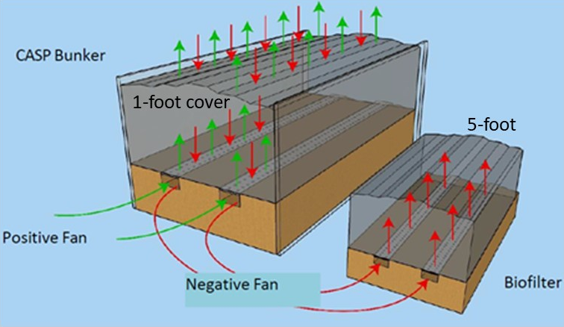
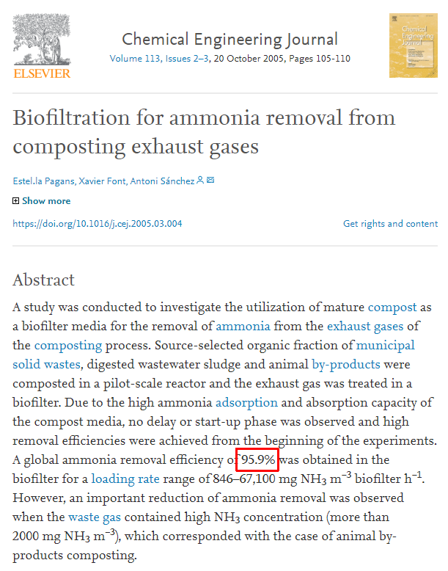
Input values
Assumptions | Value | Units |  |  |  |  |  |  | https://www.sciencedirect.com/science/article/pii/S1385894705001002
Uncontrolled VOC EF | 3.580 | lb/wet ton | Reasons why EF is less:
Reduction due to less food waste, optimzed C:N ratio, no stockpiling | 98 | % | Lenz uses 5-10 food waste
Control efficiency negative flow (biofilter 5-foot) | 95 | % | No stockpiling
Control efficiency positive flow (biofilter cover 1-foot) | 0 | % | LCF ASP has more efficient controls
Fraction of time with negative flow | 0.4 |  | LCF C:N ratio is optimized
Fraction of time with positive flow | 0.4 |  | Table II only contains three relevant sources
Amount of VOC emission in the CASP (remaindcer in windrows) | 90 | %

Output
Calculations | Value | Units
Reduced VOC EF due to difference in food waste | 0.0716 | lb/wet ton
CASP VOCEF after control | 0.072 | lb/wet ton
Biofilter VOC EF after control | 0.004 | lb/wet ton
CASP+Biofilter VOC EF after control | 0.030 | lb/wet ton
Windrow VOC EF | 0.003 | lb/wet ton

1 ton = | 2000 | lb

 |  | CASP+Biofilter | Windrow | Total
 | tpy waste | lb/wet ton VOC | lb/wet ton VOC | lb/we ton VOC | t/y VOC | PTE
Current scenario | 75,000 | 2,255 | 251 | 2,506 | 1.3 | 1.3
Future scenario | 150,000 | 4,511 | 501 | 5,012 | 2.5 | 2.5

Table II-1: Summary of Relevant Composting Emissions Test Data |  | Uncontrolled | Controlled
Source | (lbs VOC/wet ton) | (lbs NH3/wet ton) | (lbs NH3/wet ton)
Rule 1133.3 | 4.25 | 0.46 | na
 |  |  | 0.57 | Value assumes 20% control applied to ctive phase only
ARB Emissions Inventory Methodology | 3.58 | 0.78
Lenz Study (Ecology sampling)** | 0.630 | 0.047
Ecology (PTE EF) | 5.71 | 1.01
Average | 4.51 | 0.75

** These numbers are controlled.

 |  |  | "@ 150,000 TONS FS
 | VOC lbs/wet ton | NH3 lbs/wet ton | VOC TONS/TON | NH3 TONS/TONS | RTI INTERNATIONAL EMISSION ESTIMATES
SCAQMD Inland | 1.56 | 0.26 | 117 | 19.5 | CH4 | 0.004 | KG/KG OF WASTE
SCAQMD Inland | 2.25 | 0.63 | 168.75 | 47.25 |  | 0.004 | TONS/TONS
CIWMB (Modesto) | 0.85 |  | 63.75 | 0 |  | 600 | TONS/TOTAL FEEDSTOCK AT 150,000 / YR | 150000
CIWMB (Modesto)* | 1.95 |  | 146.25 | 0
Site X | 6.30 | 2.34 | 472.5 | 175.5 | CO2 | 0.44 | KG/KG OF WASTE
Jepson Prairie | 5.65 | 0.24 | 423.75 | 18 |  | 0.44 | TONS/TONS
Northern Recycling (Zamora) | 10.03 | 0.45 | 752.25 | 33.75 |  | 66000 | TONS/TOTAL FEEDSTOCK AT 150,000 / YR | 150000
City of Modesto | 1.50 |  | 112.5 | 0
City of Modesto* | 2.20 |  | 165 | 0 | N20 | 0.0003 | KG/KG OF WASTE
Average | 3.59 | 0.78 | 269 | 59 |  | 0.0003 | TONS/TONS
 |  |  |  |  |  | 45 | TONS/TOTAL FEEDSTOCK AT 150,000 / YR | 150000
 |  |  | @120,000 tpy
Silver Springs | 0.075 | lbs/ton | 4.5 tpy | VOC emissions

Lenz | 150000 | tpy |  | 120000 | tpy
 | 2000 | lbs/ton |  | 2000 | lbs/ton
 | 0.57 | factor |  | 0.075 | factor
 | 42.75 | tons VOC/y |  | 4.5 | tons VOC/y

