Volume sources
 |  |  |  | Input in green
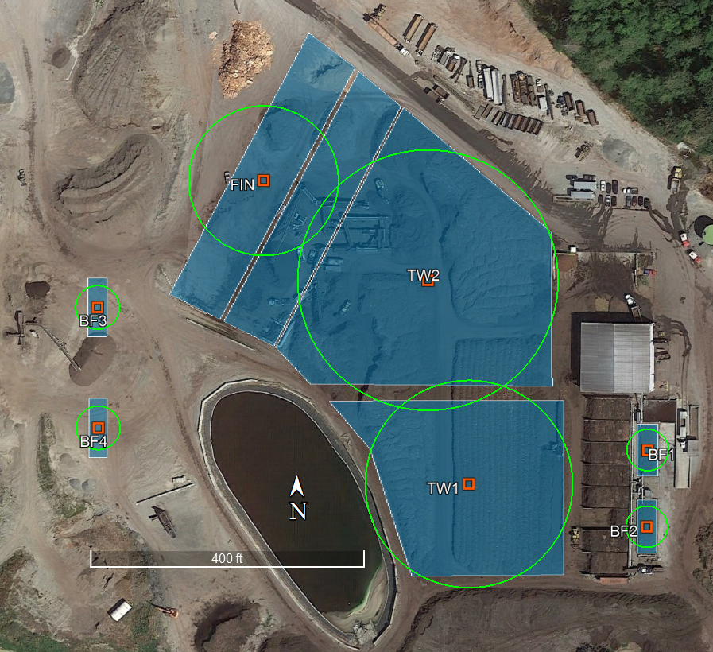
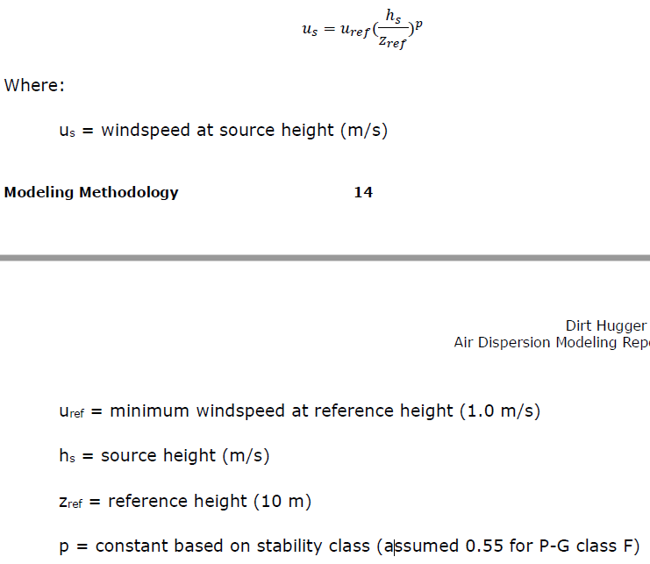
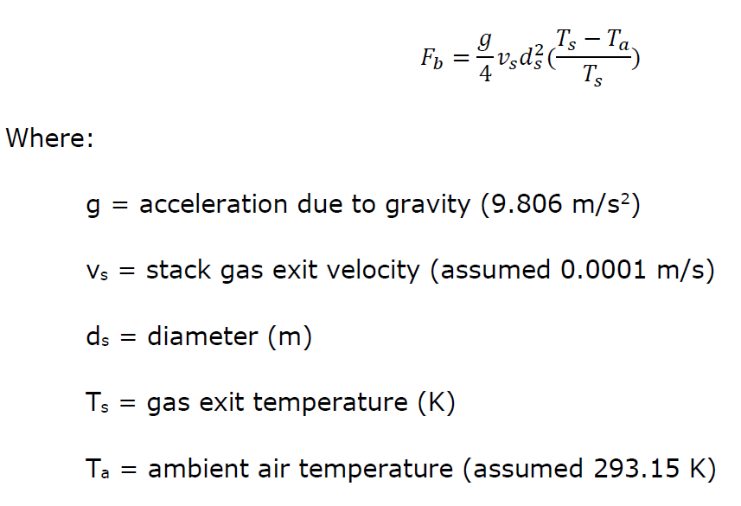
g | 9.806 | m/s2 |  |  | BF1 | BF2 | BF3 | BF4 | FIN | TW1 | TW2
Ta | 293.15 | K |  | Easting center (m) | 552027.40 | 552027.25 | 551782.34 | 551783.15 | 551855.58 | 551948.68 | 551929.13
Vs | 0.0001 | m/s |  | Northing center (m) | 5342457.59 | 5342423.77 | 5342518.67 | 5342465.29 | 5342575.51 | 5342442.72 | 5342532.24
Zref | 10 | m |  | Width (m) | 9.20 | 9.20 | 9.00 | 9.00 | - | - | -
Uref | 1 | m/s |  | Length (m) | 23.00 | 23.00 | 26.20 | 26.20 | - | - | -
p | 0.55 | - |  | Area (m2) | 211.6 | 211.6 | 235.8 | 235.8 | 3252 | 6346 | 10101
Lapse rate | 0.035 | K/m |  | ds (m) | 16.4 | 16.4 | 17.3 | 17.3 | 64.3 | 89.9 | 113.4
 |  |  |  | Volume source width (m) | 16.4 | 16.4 | 17.3 | 17.3 | 64.3 | 89.9 | 113.4
 |  |  |  | Source height (m) | 1.22 | 1.22 | 1.22 | 1.22 | 4 | 1.5 | 1.5
 |  |  |  | T (°C) | 40 | 40 | 40 | 40 | 35 | 45 | 45
 |  |  |  | T (K) | 313.15 | 313.15 | 313.15 | 313.15 | 308.15 | 318.15 | 318.15
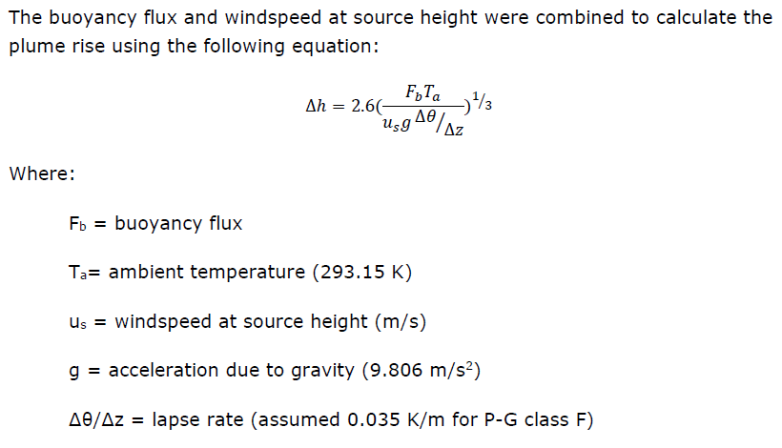
 |  |  |  | Fb | 0.004 | 0.004 | 0.005 | 0.005 | 0.049 | 0.156 | 0.248
 |  |  |  | Us (m/s) | 0.31 | 0.31 | 0.31 | 0.31 | 0.60 | 0.35 | 0.35
 |  |  |  | Dh (m) | 5.9 | 5.9 | 6.1 | 6.1 | 10.7 | 18.8 | 21.9
 |  |  |  | Plume height (m) | 7.1 | 7.1 | 7.3 | 7.3 | 14.7 | 20.3 | 23.4
 |  |  |  | Release height (m) | 3.5 | 3.5 | 3.6 | 3.6 | 7.4 | 10.1 | 11.7
 |  |  | 4.3 | Sigma Y (m) | 3.8 | 3.8 | 4.0 | 4.0 | 15.0 | 20.9 | 26.4
 |  |  | 4.3 | Sigma Z (m) | 1.6 | 1.6 | 1.7 | 1.7 | 3.4 | 4.7 | 5.5
 |  |  |  | Exclusion zone (m) | 9.2 | 9.2 | 9.7 | 9.7 | 33.2 | 45.9 | 57.7
 |  |  |  | Ground elev (m) | 61.04 | 61.21 | 54.11 | 47.89 | 62.66 | 62.10 | 60.44

 |  |  |  | VLEMIS (g/s) INCREASE |  |  |  |  |  |  |  | Total windrow | check (lb)
 |  |  |  | Ammonia | 3.948222E-02 | 3.948222E-02 | 3.948222E-02 | 3.948222E-02 | 0.000000E+00 | 1.261178E-01 | 2.007431E-01 | 3.268610E-01 | 92.34 | From "20200206_LCF_Emissions_VOC_NH3.xlsx", worksheet "NH3_CARB"
 |  |  |  | 1,3 Butadiene | 0.000000E+00 | 0.000000E+00 | 0.000000E+00 | 0.000000E+00 | 0.000000E+00 | 5.348580E-05 | 8.513395E-05 | 1.386197E-04 | 9.64 | From "TAPs_EmisInventory_current_WAC_20200218.xlsx", worksheet "HAP-TAP Median", cells X30:AC30
 |  |  |  | Benzene | 0.000000E+00 | 0.000000E+00 | 0.000000E+00 | 0.000000E+00 | 1.209480E-05 | 5.770836E-04 | 9.185505E-04 | 1.495634E-03 | 104.82 | From "TAPs_EmisInventory_current_WAC_20200218.xlsx", worksheet "HAP-TAP Maximum", cells X31:AC31
 |  |  |  | Formaldehyde | 0.000000E+00 | 0.000000E+00 | 0.000000E+00 | 0.000000E+00 | 0.000000E+00 | 9.289638E-04 | 1.478642E-03 | 2.407606E-03 | 167.39 | From "TAPs_EmisInventory_current_WAC_20200218.xlsx", worksheet "HAP-TAP Maximum", cells X32:AC32
 |  |  |  | Acetaldehyde | 4.050531E-05 | 4.050531E-05 | 4.050531E-05 | 4.050531E-05 | 0.000000E+00 | 3.720211E-04 | 5.921501E-04 | 9.641712E-04 | 78.30 | Kumar. See below.
 |  |  |  | Propionaldehyde | 0.000000E+00 | 0.000000E+00 | 0.000000E+00 | 0.000000E+00 | 0.000000E+00 | 3.237298E-03 | 5.152844E-03 | 8.390142E-03 | 1.60 | From "TAPs_EmisInventory_future_WAC_20200219.xlsx", worksheet "HAP-TAP Median", cells X34:AC34

 |  |  |  | ACETALDEHYDE | lb/yr | g/s
 |  |  |  | Acetaldehyde increase | 78.2985 | 1.13E-03
 |  |  |  | Fraction from biofilter | 0.144 |  |  |  |  |  |  |  |  | From "TAPs_EmisInventory_current_WAC_20200218.xlsx", worksheet "HAP-TAP Median", cell Y35
 |  |  |  | Fraction from windrow | 0.856 |  | check |  |  |  |  |  |  | From "TAPs_EmisInventory_current_WAC_20200218.xlsx", worksheet "HAP-TAP Median", cell AA35
 |  |  |  | Emission of each biofilter |  | 4.05E-05 | 1.13E-03 | TRUE
 |  |  |  | Emission of windrow |  | 9.64E-04

