README
"Final Report - Compost VOC EF.DOCX" received from PSCAA on October 2, 2019. | "Lenz Emission Review NOC #11753.docx" received from PSCAA on October 2, 2019.

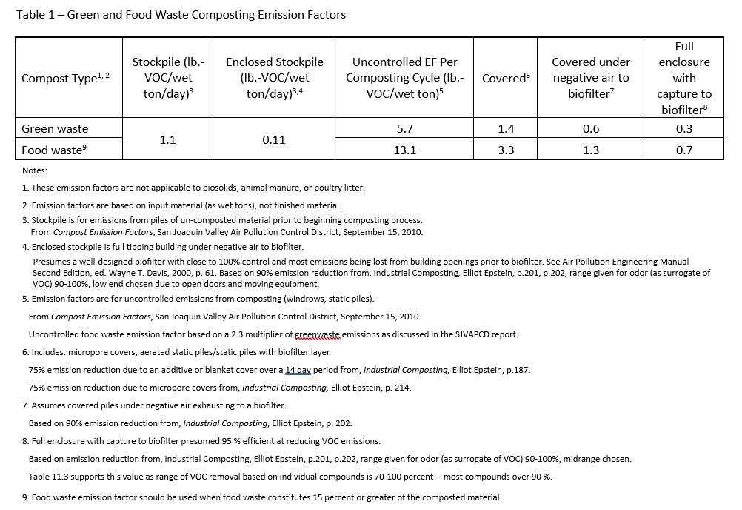

VOC_CARB
Species | VOC

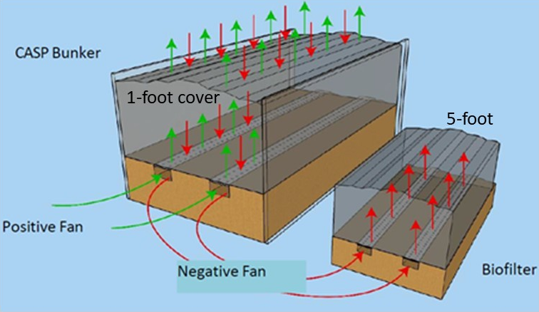
Input values
Assumptions | Value | Units
CASP uncontrolled VOC EF | 5.700 | lb-VOC/wet-ton
Enclosed stockpile under negative air to biofilter | 0.110 | lb-VOC/wet-ton/day
VOC emission from active composting (remainder in windrows) | 90 | %
Control efficiency negative flow (engineered biofilter) | 95 | %
Control efficiency positive flow (biofilter cover 1-foot) | 75 | %
Fraction of time with positive flow | 0
Fraction of time with negative flow | 1
Windrow emission reduction due to moisturing (California rule 4566) | 19 | %
Stockpiling max retention time | 0.25 | days

Output
Calculations | Value | Units

CASP VOC EF after emissions control (compost blanket) | 1.283 | lb/wet ton
Biofilter VOC EF after emissions control | 0.257 | lb/wet ton
CASP+Biofilter VOC EF after emissions control | 0.257 | lb/wet ton
Stockpiling VOC EF | 0.028 | lb/wet ton
Windrow VOC EF (including moisturing) | 0.462 | lb/wet ton

1 ton = | 2000 | lb

 |  | CASP+Biofilter | Windrow | Stockpiling | Total
 | tpy waste | lb VOC | lb VOC | lb VOC | lb VOC | t/y VOC | PTE
Current scenario | 75,000 | 19,238 | 34,627 | 2,063 | 55,928 | 28.0 | 28.0
Future scenario | 150,000 | 38,475 | 69,255 | 4,125 | 111,855 | 55.9 | 55.9

